6. Ab initio genes from reads
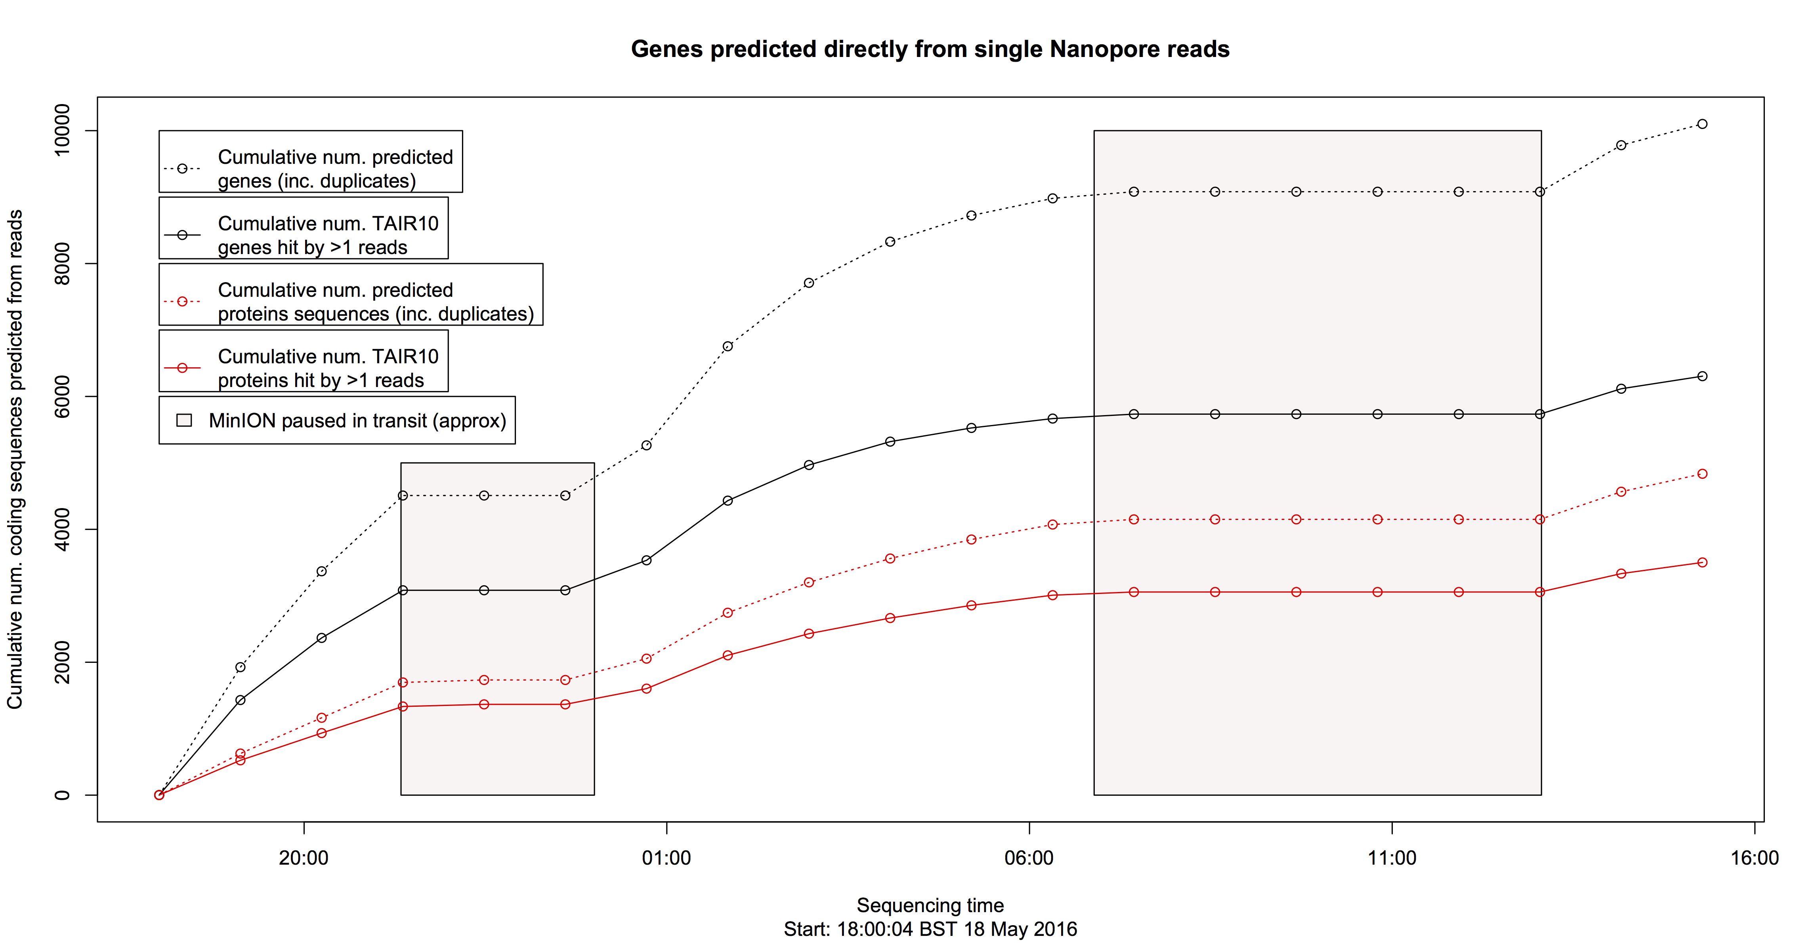
Supplementary Table 6a: sample read predictions
ats row | TAIR10_gene | read_UID | times | read_info | read | channel | length | pident | evalue
105205 | ATCG00350 | 5fa6b0d0-8159-4197-b1ef-97cc52bafa84 | 1463595976 | ch10_read1424 | 10 | 1424 | 158 | 75.95 | 6.00E-69 | .
47906 | AT3G09490 | e1dc63ca-46b4-4079-b12b-b3f188427e70 | 1463620846 | ch471_read1101 | 471 | 1101 | 347 | 41.5 | 6.00E-60 | .
29959 | AT2G07981 | a574c792-285e-419e-ab7b-9522b5708d86 | 1463614967 | ch406_read291 | 406 | 291 | 371 | 39.62 | 9.00E-56 | .
30166 | AT2G08986 | eaf99d15-f6b4-4025-87f7-e9f95431a6c9 | 1463627832 | ch440_read2212 | 440 | 2212 | 505 | 38.61 | 4.00E-63 | .
24507 | AT1G72990 | 21856c60-4cbb-4ecc-9a82-3f65793ddee9 | 1463632448 | ch243_read3300 | 243 | 3300 | 332 | 44.58 | 2.00E-53 | .
38257 | AT2G33500 | 135ecc81-89be-485d-898a-34e125de9266 | 1463614319 | ch437_read237 | 437 | 237 | 300 | 48.67 | 2.00E-63
85300 | AT5G12920 | 19534ce5-9925-49f0-95dc-d6b466729b5b | 1463602334 | ch249_read10763 | 249 | 10763 | 370 | 45.14 | 1.00E-64
47431 | AT3G07870 | 1bc49b6e-717e-4d6b-983e-368b021f4aae | 1463621059 | ch386_read1326 | 386 | 1326 | 424 | 45.75 | 2.00E-72
28256 | AT2G01440 | 1cddbb83-77c1-4f19-9c19-934da611ac74 | 1463601026 | ch49_read3514 | 49 | 3514 | 473 | 41.44 | 1.00E-64
82360 | AT5G05510 | 2028f993-1953-450b-9478-6a4fe6b3185b | 1463619375 | ch186_read1997 | 186 | 1997 | 255 | 51.76 | 3.00E-57
37281 | AT2G31250 | 310e49da-31ac-44c3-bb33-533dad7d1118 | 1463629079 | ch56_read3894 | 56 | 3894 | 263 | 49.43 | 1.00E-53
35179 | AT2G26150 | 38d470e3-c818-4003-beec-3537c7212300 | 1463596617 | ch481_read1598 | 481 | 1598 | 160 | 71.88 | 8.00E-65
81533 | AT5G03780 | 4a3a4c1f-4839-475c-879c-6a7e0c3b9a01 | 1463616152 | ch119_read437 | 119 | 437 | 233 | 57.94 | 2.00E-61
16420 | AT1G51770 | 4b32eebe-bffe-4a4b-920e-2e72c4045a57 | 1463616397 | ch119_read487 | 119 | 487 | 282 | 48.94 | 3.00E-59
91362 | AT5G28530 | 564134c0-9971-4380-9114-c0ffd760b1bd | 1463613931 | ch172_read64 | 172 | 64 | 195 | 57.44 | 1.00E-51
89264 | AT5G22980 | 57bd95b9-9d5f-4aee-97b9-c9fdb44081ec | 1463630032 | ch399_read3021 | 399 | 3021 | 328 | 44.51 | 3.00E-54
14069 | AT1G40104 | 5ab15643-264b-4d3f-af38-a11ec05bbe71 | 1463618375 | ch150_read574 | 150 | 574 | 421 | 43.71 | 2.00E-69
87402 | AT5G17920 | 6544fa85-3c39-4860-b000-b55049a2a0bd | 1463615046 | ch110_read266 | 110 | 266 | 349 | 45.56 | 1.00E-58
32572 | AT2G19520 | 67d82ddf-c9e8-4354-b8a4-2816d24bfc25 | 1463625255 | ch338_read1574 | 338 | 1574 | 267 | 53.93 | 1.00E-63
84078 | AT5G09610 | 78f09c3f-2be9-4707-aae6-64c80afe285e | 1463616294 | ch468_read504 | 468 | 504 | 272 | 64.71 | 2.00E-94
76248 | AT4G30720 | 79fe1a93-d439-40fe-89e2-d30d554d39c6 | 1463597223 | ch465_read1775 | 465 | 1775 | 178 | 62.36 | 1.00E-60
87251 | AT5G17570 | 870084f4-35ed-43f1-9da2-ebf60a94e1bb | 1463600503 | ch260_read2296 | 260 | 2296 | 221 | 61.54 | 4.00E-72
98945 | AT5G54190 | 8d4d22a4-4fdf-4b0c-b35b-7ae7912693f6 | 1463590886 | ch6_read34 | 6 | 34 | 327 | 59.63 | 2.00E-91
100077 | AT5G57010 | 915344d0-6c9d-4c4b-941b-51b71309c2b9 | 1463620223 | ch249_read1288 | 249 | 1288 | 332 | 46.08 | 3.00E-56
50357 | AT3G14910 | 9bed9021-0eff-46b0-ac1a-67fc47c2c9bf | 1463614680 | ch509_read280 | 509 | 280 | 201 | 60.7 | 7.00E-60
97300 | AT5G49860 | 9e62714d-729d-4f67-ab8c-92c4facda015 | 1463661192 | ch279_read242 | 279 | 2.42E+02 | 195 | 60 | 2.00E-63
14526 | AT1G45063 | a3a62f11-e468-42bb-9c30-58db8e4aea41 | 1463619317 | ch468_read958 | 468 | 958 | 303 | 46.86 | 6.00E-66
1536 | AT1G04410 | ad6269f9-8144-4dd6-ae9e-b52cd743e83a | 1463618600 | ch505_read1347 | 505 | 1347 | 320 | 52.81 | 5.00E-75
7973 | AT1G19220 | b415763f-70ea-4b91-9e11-5b5d790ea1e8 | 1463599607 | ch10_read2164 | 10 | 2164 | 253 | 51.38 | 8.00E-56
85883 | AT5G14200 | b9b5d5f5-f0ae-4e7c-89d9-36c8a874ba4f | 1463600112 | ch24_read2388 | 24 | 2388 | 285 | 48.42 | 1.00E-54
82716 | AT5G06470 | bf5ca644-125d-4aa9-959a-9a1ce8adc0f0 | 1463615120 | ch328_read201 | 328 | 201 | 176 | 59.66 | 4.00E-55
82320 | AT5G05440 | c4a09529-9341-4710-a2bc-df0d3aea5409 | 1463600780 | ch261_read2916 | 261 | 2916 | 114 | 78.95 | 5.00E-52
81034 | AT5G02430 | c6339b55-9095-4e67-b137-10cf8fa46124 | 1463597728 | ch219_read1607 | 219 | 1607 | 204 | 55.39 | 3.00E-52
105301 | ATCG00480 | c96ef237-f4ec-4409-9d74-de0370f357d8 | 1463617428 | ch33_read764 | 33 | 764 | 231 | 63.2 | 3.00E-84
38113 | AT2G33230 | cf3af711-485f-4fa1-955c-091b41c0163d | 1463632486 | ch186_read4350 | 186 | 4350 | 209 | 53.59 | 2.00E-52
19659 | AT1G61260 | d494bd60-f3c0-4fc1-a28b-4653d1d7bbd2 | 1463625505 | ch90_read2010 | 90 | 2010 | 146 | 69.86 | 3.00E-57
104747 | ATCG00120 | e9b39c35-dc71-49c7-9032-a88ea4f22808 | 1463598314 | ch291_read2296 | 291 | 2296 | 242 | 52.89 | 2.00E-57
10393 | AT1G26570 | eb46d1f9-923d-4c32-a419-c085be568e4f | 1463665497 | ch70_read657 | 70 | 657 | 167 | 67.66 | 6.00E-60
9285 | AT1G22460 | ffdf8ab4-31ac-40ec-b89b-331edf448fa0 | 1463594755 | ch34_read1502 | 34 | 1502 | 244 | 56.97 | 1.00E-65

Supplementary Table 6b: | Performance of ab initio gene and protein model predictions from raw MinION R7.3 and R9 1D reads.
Summary Statistics
measure | length | pident | evalue
Min.: | 28 | 70.36 | 0.00E+00
1st Qu.: | 570 | 78.68 | 0.00E+00
Median: | 980 | 82.93 | 0.00E+00
Mean: | 1070 | 82.93 | 3.71E-08
3rd Qu.: | 1482 | 87 | 0.00E+00
Max.: | 6826 | 100 | 5.00E-05

all: | length(gts[(gts$pident>0)&(gts$length>0),1]) | 18098
filter: | length(gts[(gts$pident>78)&(gts$length>570),1]) | 10615

##AA | criteria
all: | length(ats[ats$length>00,1]) | 106615
filter: | ats_filtered_top_5pc = ats[(ats$length>100)&(ats$gap_fraction>0.16)&(ats$gap_open_rate<0.1),1] | 4837

Supplementary Figure 1: ab initio genes from single nanopore SMRT reads

Ab initio gene and protein sequence predictions from raw unpolished Nanopore reads ising SNAP.
Discovery curve of genes (black) / proteins (red) over time. Predictions validated with BLAST, see text for details.
Dashed lines show total number of predictions; solid lines show uniquely hit loci.
Shaded boxes indicate periods where the MinION sequencer was shut down while moving location (approximately)

